Milling Operation
 | MILLING

 | Default Database (editable, calculation to be done backhand)
 |  |  | Roughing |  |  | Finishing
 | Material | Length, mm | Feedrate, fr (mm/ min) | Axial DOC, mm (mm) | Radial WOC, mm | Feedrate, fr (mm/ min) | Axial DOC, mm (mm) | Radial WOC, mm
 | Aluminium | 20-50 | 1000 | 5 | 2 | 1000 | 1 | 2.5
 |  | 51-100 | 1000 | 5 | 2 | 1000 | 1 | 2.5
 |  | >101 | 1000 | 5 | 2 | 1000 | 1 | 2.5

 | Steel | 20-50 | 500 | 2.5 | 2 | 500 | 0.5 | 2.5
 |  | 51-100 | 500 | 2.5 | 2 | 500 | 0.5 | 2.5
 |  | >101 | 500 | 2.5 | 2 | 500 | 0.5 | 2.5
 | Roughing percentage | 80
 | Finishing percentage | 20

 | Percentage of Machining Time wrt manufacturing time | 60
 | Correction factor | 1

Machine Hourly Rate (MHR), Rs/ hr |  |  |  |  |  | Bounding Box Size |  |  | Raw Material allowance
 | Machine Size | 5- Axis | 4- Axis | 3- Axis |  | Length | Breadth | Height | Al | Ab | Ah
Al | 500x500x300 | 1500 | 1000 | 600 |  | 50 | 50 | 50 | 20 | 20 | 5
 | 1000x800x500 | 1800 | 1200 | 800 |  | 100 | 100 | 100 | 30 | 30 | 5
 | 2000x1000x500 | 2000 | 1500 | 1000 |  | 200 | 200 | 200 | 30 | 30 | 5
 | 3000x1500x800 | 2500 | 2000 | 1500 |  | 500 | 500 | 500 | 50 | 50 | 10
 |  |  |  |  |  | 1000 | 800 | 500 | 100 | 100 | 10
 |  | 5- Axis | 4- Axis | 3- Axis |  | 2000 | 1000 | 500 | 100 | 100 | 10
Steel | 500x500x300 | 1500 | 1000 | 600 |  | 3000 | 1500 | 800 | 100 | 100 | 10
 | 1000x800x500 | 1800 | 1200 | 800
 | 2000x1000x500 | 2000 | 1500 | 1000
 | 3000x1500x800 | 2500 | 2000 | 1500

 | Material cost/ kg |  | Density, Kg/m3
 | Al | 1700 | 2780
 | Steel | 3500 | 7890
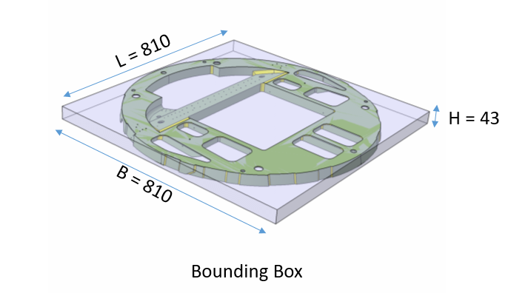
 | Input data (to be shown in UI) |  |  |  |  | Derived Data (derived from CAD model)
 | .stp file |  |  |  |  | Bounding Box Size: Length (L), Breadth (B), Height (H), Volume: V
 | Material: Aluminium, Steel |  |  |  |  | Stock Size: L+Al, B+Ab, H+Ah; Stock Volume, Vs: (L+Al)x(B+Ab)x(H+Ah)
 | Operations:
 | 3 axis-Milling in percentage, M5 | 70 |  |  |  | Volume Removed, VR= (Vs - V)
 | 4 axis-Milling in percentage, M5 | 0
 | 5 axis-Milling in percentage, M5 | 30

 | Logic : First Check the part fits in which machine size, then fix the MHR
 | Machine Size
 | 500x500x300
 | 1000x800x500
 | 2000x1000x500
 | 3000x1500x800

CALCULATION WITH TYPICAL EXAMPLES

Manufacturing Cost |  |  |  |  |  |  |  |  |  |  |  |  |  |  |  |  |  | Material Cost | Total Cost
Sl. No. | Material | Length (mm) | Breadth | Height | CAD Model Volume, V (mm3) | Volume Removed, VR (mm3) | Feedrate, fr (mm/ min) | Axial DOC, mm (mm) | Radial WOC, mm | Roughing-Material Removal Rate (MRR) mm3/ min | Feedrate, fr (mm/ min) | Axial DOC, mm (mm) | Radial WOC, mm | Finishing- Material Removal Rate (MRR) mm3/ min | Milling Time (Hr) | Total manufacturing time, hr | Manufacturing Cost ( Rs) | Material Cost | Total Cost including materials
1 | Aluminium | 811 | 810 | 43 | 1618705 | 38173775 | 1000 | 5 | 2 | 10000 | 1000 | 1 | 2.5 | 2500 | 101.80 | 169.66 | 220559.58889 | 188059.26 | 408618.85
2 | Steel | 811 | 810 | 43 | 1618705 | 38173775 | 500 | 2.5 | 2 | 2500 | 500 | 0.5 | 2.5 | 625 | 407.19 | 678.64 | 882238.35556 | 1098869.34 | 1981107.69

 |  |  |  |  |  |  |  |  |  |  |  |  |  |  |  |  |  |  |  | Set up time including Program time | Roughing time | Finishing Time

 |  |  |  | 12L-1B-3340-003-1A0
Manufacturing Cost |  |  |  |  |  |  |  |  |  |  |  |  |  |  |  |  |  | Material Cost | Total Cost
Sl. No. | Material | Length (mm) | Breadth | Height | CAD Model Volume, V (mm3) | Volume Removed, VR (mm3) | Feedrate, fr (mm/ min) | Axial DOC, mm (mm) | Radial WOC, mm | Roughing-Material Removal Rate (MRR) mm3/ min | Feedrate, fr (mm/ min) | Axial DOC, mm (mm) | Radial WOC, mm | Finishing- Material Removal Rate (MRR) mm3/ min | Milling Time (Hr) | Total manufacturing time, hr | Manufacturing Cost ( Rs) | Material Cost | Total Cost including materials
1 | Aluminium | 1010 | 346 | 63 | 2,351,851 | 27538229 | 1000 | 5 | 2 | 10000 | 1000 | 1 | 2.5 | 2500 | 73.44 | 122.39 | 159109.76756 | 159096.44 | 318206.21
 |  |  |  |  | With JAYKAY input |  | 800 | 3 | 2 | 4800 | 800 | 0.5 | 1 | 400
 |  |  |  |  |  | Volume removed by roughing | Roughing Time (hr) | MRR as per Jaykay (mm3/min) | Volume removed by finishing | Finishing Time | MRR as per Jaykay |  | Setup time including Programming | Percentage of machining time wrt manufacturing time | % of 3axis | % of 5 axis
 |  |  |  |  |  | 22030583.2 | 33 | 11126.557172 | 5507645.8 | 40 | 2294.8524167 |  | 49 | 0.59836065574 | 0.68292682927 | 0.31707317073

 |  |  |  | 12L-1C-3010-001-1A0

Manufacturing Cost |  |  |  |  |  |  |  |  |  |  |  |  |  |  |  |  |  | Material Cost | Total Cost
Sl. No. | Material | Length (mm) | Breadth | Height | CAD Model Volume, V (mm3) | Volume Removed, VR (mm3) | Feedrate, fr (mm/ min) | Axial DOC, mm (mm) | Radial WOC, mm | Roughing-Material Removal Rate (MRR) mm3/ min | Feedrate, fr (mm/ min) | Axial DOC, mm (mm) | Radial WOC, mm | Finishing- Material Removal Rate (MRR) mm3/ min | Milling Time (Hr) | Total manufacturing time, hr | Manufacturing Cost ( Rs) | Material Cost | Total Cost including materials
1 | Aluminium | 1790 | 133 | 88 | 1,255,556 | 30910354.444 | 1000 | 5 | 2 | 10000 | 1000 | 1 | 2.5 | 2500 | 82.43 | 137.38 | 178593.15901 | 0.00 | 178593.16

TURNING OPERATION
 | TURNING

 | Default Database (editable, calculation to be done backhand)
 |  |  | Roughing |  |  | Finishing
 | Material | Diameter, mm | Depth of Cut, d (mm) | Feed Rate, f (mm/rev) | Cutting Speed, v (m/min) | Depth of Cut, d (mm) | Feed Rate, f (mm/rev) | Cutting Speed, V (m/min)
 | Aluminium | 20-50 | 2 | 0.2 | 200 | 0.2 | 0.05 | 250
 |  | 51-100 | 2 | 0.2 | 200 | 0.2 | 0.05 | 250
 |  | >101 | 2 | 0.2 | 200 | 0.2 | 0.05 | 250

 | Steel | 20-50 | 1 | 0.2 | 100 | 0.1 | 0.05 | 125
 |  | 51-100 | 1 | 0.2 | 100 | 0.1 | 0.05 | 125
 |  | >101 | 1 | 0.2 | 100 | 0.1 | 0.05 | 125
 | Roughing percentage | 80
 | Finishing percentage | 20

 | Percentage of Machining Time wrt manufacturing time | 60 |  | Allowance for stock dia., Ad | 10
 | Correction factor | 1 |  | Allowance for stock holding, Ah | 50

 | Material cost/kg |  | Density, Kg/m3
 | Al | 1700 | 2780
 | Steel | 3500 | 7890

 | MHR (Rs/ hr)
 |  | Machine Size (Swing Dia.x Turning Length) | Turning | Boring | Threading | Milling
 | Al | < Dia 200x400 | 1600 | 1600 | 1600 | 1600
 |  | <Dia 300x800 | 2000 | 2000 | 2000 | 2000
 |  | <Dia 450x1500 | 2400 | 2400 | 2400 | 2400
 | Steel | < Dia 200x400 | 1600 | 1600 | 1600 | 1600
 |  | <Dia 300x800 | 2000 | 2000 | 2000 | 2000
 |  | <Dia 450x1500 | 2400 | 2400 | 2400 | 2400
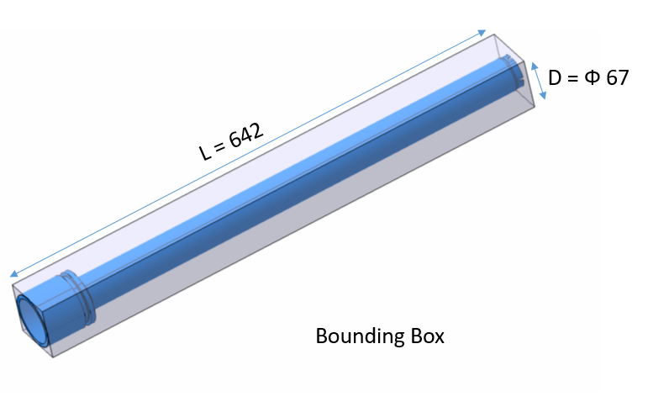

 | Input data (to be shown in UI) |  |  |  |  | Derived Data (derived from CAD model)
 | .stp file |  |  |  |  | Diameter, D
 | Material: Aluminium Steel |  |  |  |  | Length, L
 |  |  |  |  |  | Bounding Box size : Dia D x L , Volume: V
 |  |  |  |  |  | Stock Size: Dia: (D+Ad) x (L+Ah), Volume: Vs={Pi x (D+Ad)^2 x (L+Ah)/4}
 | Operations
 | Turning | 100 |  |  |  | Volume Removed, VR= Vs-V
 | Boring | 0
 | Threading | 0
 | Milling | 0

 |  |  |  | Cad Volume = 354983mm3

 | Logic : First Check the part fits in which machine size, then fix the MHR
 | Machine Size (Swing Dia.x Turning Length)
 | < Dia 200x400
 | <Dia 300x800
 | <Dia 450x1500

CALCULATION WITH A TYPICAL EXAMPLE

Manufacturing Cost |  |  |  |  |  |  |  |  |  |  |  |  |  |  |  |  | Material Cost | Total Cost
Sl. No. | Material | Diameter (mm) | Length (mm) | CAD Model Volume (mm3) | Volume Removed, VR (mm3) | Depth of Cut, d (mm) | Feed Rate, f (mm/rev) | Cutting Speed, V (m/min) | Roughing-Material Removal Rate (MRR) mm3/ min | Depth of Cut, d (mm) | Feed Rate, f (mm/rev) | Cutting Speed, v (m/min) | Finishing- Material Removal Rate (MRR) mm3/ min | Turning Time (Hr) | Total manufacturing time, hr | Manufacturing Cost ( Rs) | Material Cost | Total Cost including materials
1 | Aluminium | 67 | 642 | 354983 | 2867401.9919 | 2 | 0.2 | 200 | 80000 | 0.2 | 0.05 | 250 | 2500 | 4.30 | 7.17 | 14337.009959 | 15228.99 | 29566.00
2 | Steel | 67 | 642 | 354983 | 2867401.9919 | 1 | 0.2 | 100 | 20000 | 0.1 | 0.05 | 125 | 625 | 17.20 | 28.67 | 57348.039837 | 88986.16 | 146334.20

Sheet Metal Forming Operation
 | SHEET METAL FORMING

 | Default Database (editable, calculation to be done backhand)
 |  |  | Roughing |  |  | Finishing
 | Material | Length, mm | Feedrate, fr (mm/ min) | Axial DOC, mm (mm) | Radial WOC, mm | Feedrate, fr (mm/ min) | Axial DOC, mm (mm) | Radial WOC, mm
 | Aluminium | 20-50 | 1000 | 5 | 2 | 1000 | 1 | 2.5
 |  | 51-100 | 1000 | 5 | 2 | 1000 | 1 | 2.5
 |  | >101 | 1000 | 5 | 2 | 1000 | 1 | 2.5

 | Roughing percentage | 80
 | Finishing percentage | 20

 | Percentage of Machining Time wrt manufacturing time | 60
 | Correction factor | 1

Machine Hourly Rate (MHR), Rs/ hr |  |  |  | Tool Design Hourly Rate, Rs/ hr |  |  |  |  |  |  | Part Forming cost
 |  | 3- Axis |  | SL No | Part Size | Type of Tool | No of Tools | Design Hours | Cost per Hr |  | SL No | Type of Tool | Forming cost in terms of Percentage of (Tool material + Tool manufacturing cost)
Al | 500x500x300 | 600 |  | 1 | <500mm | Simple Rubber Pad Form Tool | 2 No. (Male & Female) | 40 | 1500 |  | 1 | Simple Rubber Pad Form Tool | 10
 | 1000x800x500 | 800 |  | 2 | 501 to 1000mm | Complex Rubber Pad Form Tool | 2 No. (Male & Female) | 60 | 1500 |  | 2 | Complex Rubber Pad Form Tool | 10
 | 2000x1000x500 | 1000 |  | 3 | > 1000mm | Stretch Form Tool | 1 No. (Only Male) | 80 | 1500 |  | 3 | Stretch Form Tool | 20
 | 3000x1500x800 | 1500

 |  |  |  | Bounding Box Size |  |  | Raw Material allowance
 |  |  |  | Length | Breadth | Height | Al | Ab | Ah
 |  |  |  | 50 | 50 | 50 | 20 | 20 | 5
 |  |  |  | 100 | 100 | 100 | 30 | 30 | 5
 |  |  |  | 200 | 200 | 200 | 30 | 30 | 5
 |  |  |  | 500 | 500 | 500 | 50 | 50 | 10
 |  |  |  | 1000 | 800 | 500 | 100 | 100 | 10
 |  |  |  | 2000 | 1000 | 500 | 100 | 100 | 10
 |  |  |  | 3000 | 1500 | 800 | 100 | 100 | 10

 | Material cost/ kg |  | Density, Kg/m3
 | Al | 400 | 2780

 | Input data (to be shown in UI)
 | .stp file of Sheet Metal

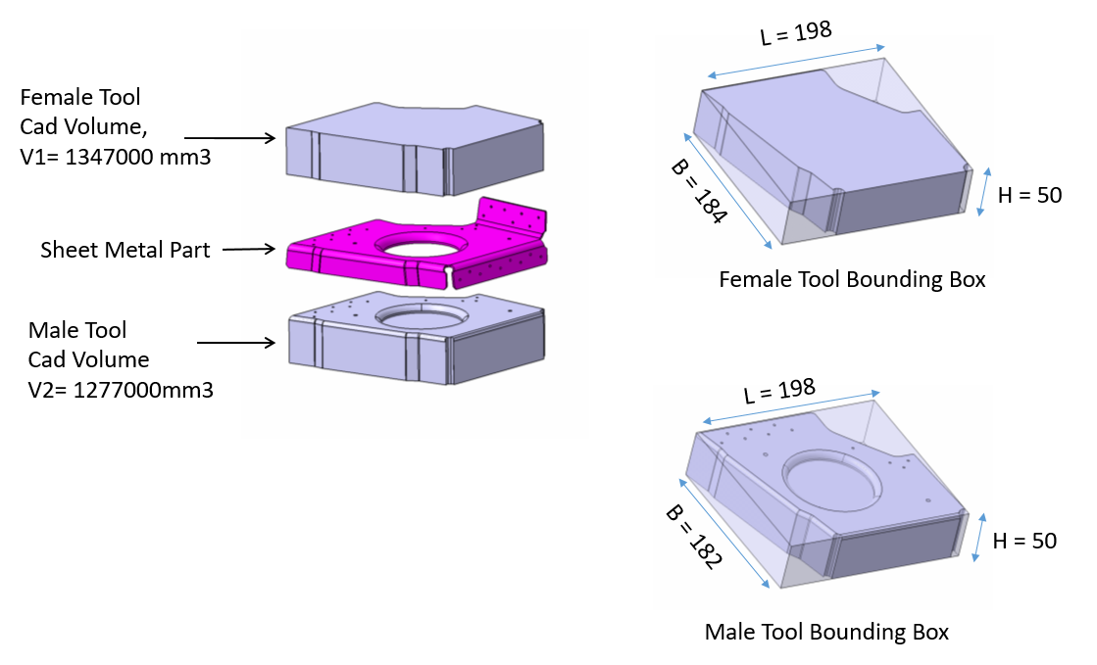
 | CASE 1: where both male and female tools are attached
 |  |  |  |  | Derived Data (derived from CAD model)
 |  |  |  |  | MALE | Bounding Box Size: Length (L), Breadth (B), Height (H), Volume: V
 |  |  |  |  |  | Stock Size: L+Al, B+Ab, H+Ah; Stock Volume, Vs: (L+Al)x(B+Ab)x(H+Ah)

 |  |  |  |  |  | Volume Removed, VRm= (Vs - V)
 |  |  |  |  | FEMALE | Bounding Box Size: Length (L), Breadth (B), Height (H), Volume: V
 |  |  |  |  |  | Stock Size: L+Al, B+Ab, H+Ah; Stock Volume, Vs: (L+Al)x(B+Ab)x(H+Ah)

 |  |  |  |  |  | Volume Removed, VRf= (Vs - V)

 |  |  |  | Note
 |  |  |  | Female tool volume in percentage of Bounding Box volume | 73.945981555
 |  |  |  | Male tool volume in percentage of Bounding Box volume | 70.873570874

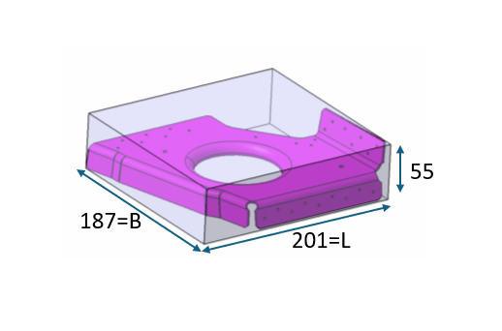
 | CASE 2: Where only sheet metal part is given
 |  |  |  |  | Derived Data (derived from CAD model)
 |  |  |  |  | MALE | Bounding Box Size: Length (L), Breadth (B), Height (50), Volume: V= 0.7xLxBx50
 |  |  |  |  |  | Stock Size: L+Al, B+Ab, 55; Stock Volume, Vs: (L+Al)x(B+Ab)x55

 |  |  |  |  |  | Volume Removed, VRm= (Vs - V)
 |  |  |  |  | FEMALE | Bounding Box Size: Length (L), Breadth (B), Height (50), Volume: V= 0.7xLxBx50
 |  |  |  |  |  | Stock Size: L+Al, B+Ab, 55; Stock Volume, Vs: (L+Al)x(B+Ab)x55

 |  |  |  |  |  | Volume Removed, VRm= (Vs - V)

 | Logic : First Check the part fits in which machine size, then fix the MHR
 | Machine Size
 | 500x500x300
 | 1000x800x500
 | 2000x1000x500
 | 3000x1500x800

CALCULATION WITH A TYPICAL EXAMPLE

CASE 1
Tool Design Cost |  |  |  |  |  | Tool Manufacturing Cost |  |  |  |  |  |  |  |  |  |  |  |  | Tool Material Cost | Part forming cost | Total Cost
Sl. No. | Material | Length (mm) | Breadth | Height | Tool Design Cost (Rs) | CAD Model Volume, V (mm3) | Volume Removed, VR (mm3) | Feedrate, fr (mm/ min) | Axial DOC, mm (mm) | Radial WOC, mm | Roughing-Material Removal Rate (MRR) mm3/ min | Feedrate, fr (mm/ min) | Axial DOC, mm (mm) | Radial WOC, mm | Finishing- Material Removal Rate (MRR) mm3/ min | Milling Time (Hr) | Total manufacturing time, hr | Manufacturing Cost ( Rs) | Material Cost | Part Forming cost
1 | Male Form Tool | 198 | 182 | 50 | 60000 | 1277000 | 1381480 | 1000 | 5 | 2 | 10000 | 1000 | 1 | 2.5 | 2500 | 3.68 | 6.14 | 3683.9466667 | 2956.23
 | Female Form Tool | 198 | 184 | 50 |  | 1347000 | 1336560 | 1000 | 5 | 2 | 10000 | 1000 | 1 | 2.5 | 2500 | 3.56 | 5.94 | 3564.16 | 2984.12
 | Sheet Metal component |  |  |  |  |  |  |  |  |  |  |  |  |  |  |  |  |  |  | 1318.8455147 | 74507.30

CASE 2
Tool Design Cost |  |  |  |  |  | Tool Manufacturing Cost |  |  |  |  |  |  |  |  |  |  |  |  | Tool Material Cost | Part forming cost | Total Cost
Sl. No. | Material | Length (mm) | Breadth | Height | Tool Design Cost (Rs) | CAD Model Volume, V (mm3) | Volume Removed, VR (mm3) | Feedrate, fr (mm/ min) | Axial DOC, mm (mm) | Radial WOC, mm | Roughing-Material Removal Rate (MRR) mm3/ min | Feedrate, fr (mm/ min) | Axial DOC, mm (mm) | Radial WOC, mm | Finishing- Material Removal Rate (MRR) mm3/ min | Milling Time (Hr) | Total manufacturing time, hr | Manufacturing Cost ( Rs) | Material Cost | Part Forming cost
1 | Male Form Tool | 201 | 187 | 50 | 60000 | 1315545 | 1441440 | 1000 | 5 | 2 | 10000 | 1000 | 1 | 2.5 | 2500 | 3.84 | 6.41 | 3843.84 | 3065.77
 | Female Form Tool | 201 | 187 | 50 |  | 1315545 | 1441440 | 1000 | 5 | 2 | 10000 | 1000 | 1 | 2.5 | 2500 | 3.84 | 6.41 | 3843.84 | 3065.77
 | Sheet Metal component |  |  |  |  |  |  |  |  |  |  |  |  |  |  |  |  |  |  | 1381.921464 | 75201.14

